Sheet1
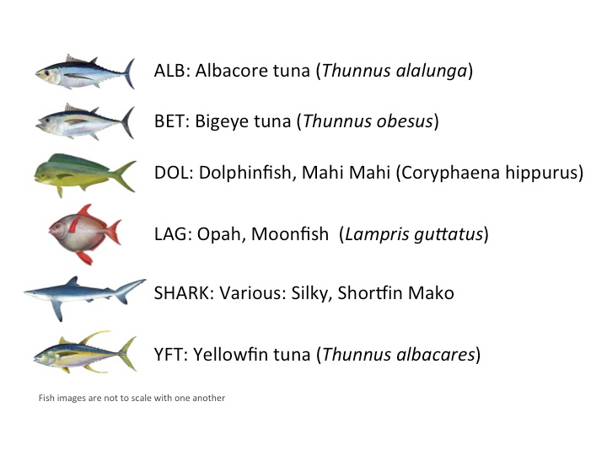
 |  |  |  | B | MB
 | 1280 | 720 | 921600 | 1,584,230,400 | 1,511
5 | 256 | 144 | 36864 | 63,369,216 | 60

ALB | 1719 |  | 1 | ‘00000001
BET | 200 |  | 2 | ‘00000010
DOL | 117 |  | 3 | ‘00000100
LAG | 67 |  | 4 | ‘00001000
NoF | 465 |  | 5 | ‘00010000
SHARK | 176 |  | 6 | ‘00100000
YFT | 734 |  | 7 | ‘01000000
OTHER | 299 |  | 8 | ‘10000000
 | 3777
test | 1000

